Default Settings 2018
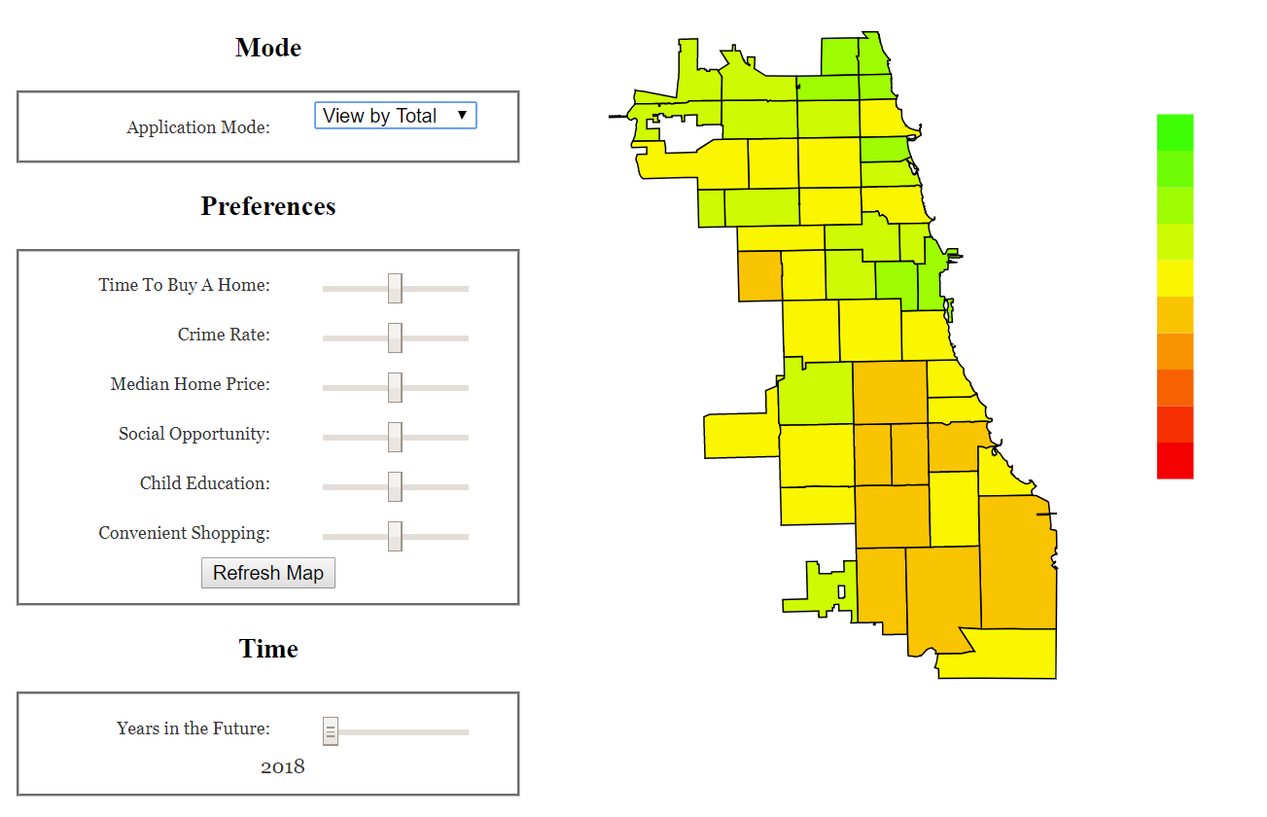
Zip | # Crimes | Education Rating | Median Home Price | New and Renewed Shopping Licenses (Monthly) | New and Renewed Social/Nightlife Licenses (Monthly) | Aggregate Score
60626 | 2,790 | 3.60 | 184,550 | 20 | 8 | 0.773
60660 | 1,451 | 3.75 | 240,500 | 2 | 7 | 0.768
60645 | 1,485 | 4.18 | 224,775 | 1 | 8 | 0.744
6761 | 4,830 | 3.90 | 444,275 | 39 | 36 | 0.733
60613 | 2,079 | 4.04 | 340,300 | 7 | 5 | 0.728
60659 | 1,731 | 3.89 | 242,500 | 5 | 3 | 0.726
12311 | 12,750 | 4.40 | 644,880 | 99 | 59 | 0.713
60657 | 3,241 | 3.92 | 486,838 | 10 | 11 | 0.672
60625 | 3,023 | 4.14 | 327,275 | 5 | 6 | 0.672
60655 | 638 | 4.18 | 262,500 | 1 | 1 | 0.668
60656 | 560 | 3.87 | 299,750 | 1 | 1 | 0.652
60622 | 3,429 | 3.57 | 558,550 | 23 | 20 | 0.645
60646 | 606 | 4.45 | 455,050 | 1 | 1 | 0.637
60610 | 2,686 | 3.66 | 563,475 | 6 | 6 | 0.633
60632 | 3,941 | 3.76 | 215,775 | 12 | 7 | 0.625
60631 | 613 | 3.90 | 361,950 | 1 | 1 | 0.618
60707 | 798 | 3.25 | 274,450 | 1 | 10 | 0.612
60639 | 5,184 | 3.55 | 259,725 | 13 | 10 | 0.612
60612 | 5,208 | 3.24 | 298,050 | 30 | 12 | 0.612
60630 | 1,828 | 3.98 | 346,975 | 4 | 2 | 0.608
60608 | 4,256 | 3.60 | 299,500 | 11 | 11 | 0.598
60638 | 1,910 | 3.59 | 250,049 | 6 | 7 | 0.592
60640 | 3,226 | 3.34 | 284,900 | 2 | 7 | 0.591
60614 | 3,995 | 3.97 | 725,050 | 16 | 17 | 0.591
60623 | 8,443 | 3.40 | 114,725 | 28 | 5 | 0.590
60615 | 3,261 | 3.20 | 233,825 | 2 | 6 | 0.589
60619 | 7,809 | 3.37 | 124,025 | 23 | 6 | 0.582
60641 | 2,997 | 3.50 | 318,275 | 9 | 3 | 0.574
60652 | 1,938 | 3.60 | 191,275 | 4 | 1 | 0.572
60616 | 3,308 | 3.51 | 345,500 | 13 | 3 | 0.570
60647 | 4,745 | 3.55 | 500,050 | 12 | 12 | 0.557
60618 | 3,730 | 3.78 | 492,525 | 11 | 6 | 0.556
60649 | 6,064 | 3.53 | 115,475 | 5 | 1 | 0.552
60629 | 5,846 | 3.68 | 199,987 | 7 | 3 | 0.541
60651 | 6,594 | 3.50 | 214,925 | 2 | 4 | 0.529
60624 | 9,376 | 3.47 | 139,475 | 6 | 2 | 0.526
60634 | 2,228 | 3.72 | 299,750 | 5 | 1 | 0.520
60653 | 3,147 | 3.37 | 306,200 | 3 | 1 | 0.515
60827 | 1,062 | 2.75 | 62,275 | 1 | 3 | 0.505
60620 | 9,382 | 3.46 | 130,050 | 6 | 3 | 0.493
60617 | 6,871 | 3.44 | 129,725 | 7 | 5 | 0.491
60637 | 6,165 | 3.43 | 187,500 | 2 | 2 | 0.483
60621 | 6,048 | 2.86 | 49,950 | 6 | 1 | 0.472
60644 | 7,165 | 3.19 | 145,050 | 4 | 1 | 0.464
60636 | 6,778 | 2.71 | 52,050 | 1 | 5 | 0.459
60609 | 5,136 | 3.22 | 238,750 | 5 | 3 | 0.456
60643 | 3,590 | 3.45 | 221,025 | 2 | 1 | 0.446
60628 | 9,052 | 3.05 | 80,050 | 3 | 3 | 0.406

Young Professional Money No Object
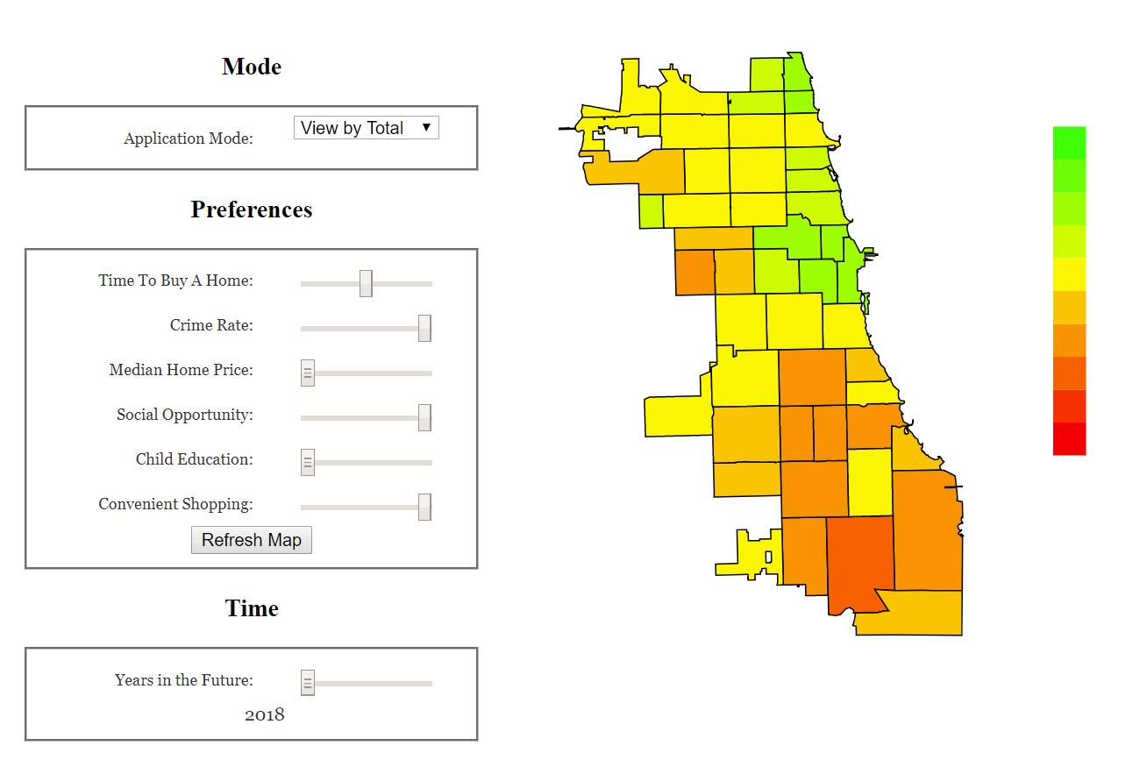
Zip | # Crimes | Education Rating | Median Home Price | New and Renewed Shopping Licenses (Monthly) | New and Renewed Social/Nightlife Licenses (Monthly) | Aggregate Score
60626 | 2,790 | 3.60 | 184,550 | 20 | 8 | 0.767
6761 | 4,830 | 3.90 | 444,275 | 39 | 36 | 0.766
60660 | 1,451 | 3.75 | 240,500 | 2 | 7 | 0.759
12311 | 12,750 | 4.40 | 644,880 | 99 | 59 | 0.739
60622 | 3,429 | 3.57 | 558,550 | 23 | 20 | 0.734
60610 | 2,686 | 3.66 | 563,475 | 6 | 6 | 0.705
60613 | 2,079 | 4.04 | 340,300 | 7 | 5 | 0.696
60657 | 3,241 | 3.92 | 486,838 | 10 | 11 | 0.692
60659 | 1,731 | 3.89 | 242,500 | 5 | 3 | 0.678
60614 | 3,995 | 3.97 | 725,050 | 16 | 17 | 0.661
60645 | 1,485 | 4.18 | 224,775 | 1 | 8 | 0.652
60612 | 5,208 | 3.24 | 298,050 | 30 | 12 | 0.633
60707 | 798 | 3.25 | 274,450 | 1 | 10 | 0.623
60656 | 560 | 3.87 | 299,750 | 1 | 1 | 0.596
60625 | 3,023 | 4.14 | 327,275 | 5 | 6 | 0.594
60647 | 4,745 | 3.55 | 500,050 | 12 | 12 | 0.587
60640 | 3,226 | 3.34 | 284,900 | 2 | 7 | 0.583
60615 | 3,261 | 3.20 | 233,825 | 2 | 6 | 0.581
60639 | 5,184 | 3.55 | 259,725 | 13 | 10 | 0.572
60631 | 613 | 3.90 | 361,950 | 1 | 1 | 0.567
60608 | 4,256 | 3.60 | 299,500 | 11 | 11 | 0.560
60655 | 638 | 4.18 | 262,500 | 1 | 1 | 0.558
60616 | 3,308 | 3.51 | 345,500 | 13 | 3 | 0.551
60618 | 3,730 | 3.78 | 492,525 | 11 | 6 | 0.547
60641 | 2,997 | 3.50 | 318,275 | 9 | 3 | 0.547
60646 | 606 | 4.45 | 455,050 | 1 | 1 | 0.546
60632 | 3,941 | 3.76 | 215,775 | 12 | 7 | 0.540
60630 | 1,828 | 3.98 | 346,975 | 4 | 2 | 0.535
60638 | 1,910 | 3.59 | 250,049 | 6 | 7 | 0.532
60623 | 8,443 | 3.40 | 114,725 | 28 | 5 | 0.506
60619 | 7,809 | 3.37 | 124,025 | 23 | 6 | 0.503
60652 | 1,938 | 3.60 | 191,275 | 4 | 1 | 0.478
60653 | 3,147 | 3.37 | 306,200 | 3 | 1 | 0.478
60827 | 1,062 | 2.75 | 62,275 | 1 | 3 | 0.462
60651 | 6,594 | 3.50 | 214,925 | 2 | 4 | 0.442
60649 | 6,064 | 3.53 | 115,475 | 5 | 1 | 0.431
60634 | 2,228 | 3.72 | 299,750 | 5 | 1 | 0.429
60629 | 5,846 | 3.68 | 199,987 | 7 | 3 | 0.426
60624 | 9,376 | 3.47 | 139,475 | 6 | 2 | 0.412
60636 | 6,778 | 2.71 | 52,050 | 1 | 5 | 0.397
60621 | 6,048 | 2.86 | 49,950 | 6 | 1 | 0.393
60609 | 5,136 | 3.22 | 238,750 | 5 | 3 | 0.389
60637 | 6,165 | 3.43 | 187,500 | 2 | 2 | 0.376
60644 | 7,165 | 3.19 | 145,050 | 4 | 1 | 0.367
60620 | 9,382 | 3.46 | 130,050 | 6 | 3 | 0.363
60617 | 6,871 | 3.44 | 129,725 | 7 | 5 | 0.362
60643 | 3,590 | 3.45 | 221,025 | 2 | 1 | 0.331
60628 | 9,052 | 3.05 | 80,050 | 3 | 3 | 0.278

Affordable Family Neighborhood
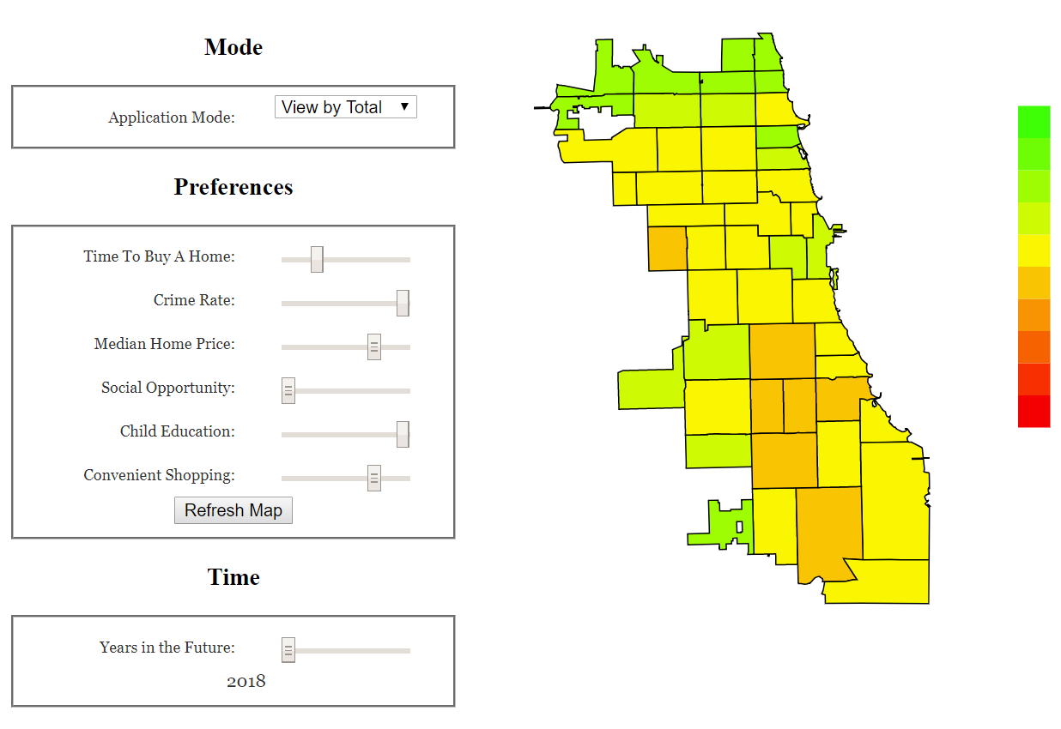
Zip | # Crimes | Education Rating | Median Home Price | New and Renewed Shopping Licenses (Monthly) | New and Renewed Social Licenses (Monthly) | Aggregate Score
60655 | 638 | 4.18 | 262,500 | 1 | 1 | 0.759
60646 | 606 | 4.45 | 455,050 | 1 | 1 | 0.742
60659 | 1,731 | 3.89 | 242,500 | 5 | 3 | 0.735
60656 | 560 | 3.87 | 299,750 | 1 | 1 | 0.734
60660 | 1,451 | 3.75 | 240,500 | 2 | 7 | 0.730
60645 | 1,485 | 4.18 | 224,775 | 1 | 8 | 0.725
60626 | 2,790 | 3.60 | 184,550 | 20 | 8 | 0.724
60613 | 2,079 | 4.04 | 340,300 | 7 | 5 | 0.723
60631 | 613 | 3.90 | 361,950 | 1 | 1 | 0.704
60625 | 3,023 | 4.14 | 327,275 | 5 | 6 | 0.676
60630 | 1,828 | 3.98 | 346,975 | 4 | 2 | 0.660
6761 | 4,830 | 3.90 | 444,275 | 39 | 36 | 0.648
60652 | 1,938 | 3.60 | 191,275 | 4 | 1 | 0.635
60657 | 3,241 | 3.92 | 486,838 | 10 | 11 | 0.627
60632 | 3,941 | 3.76 | 215,775 | 12 | 7 | 0.627
60638 | 1,910 | 3.59 | 250,049 | 6 | 7 | 0.615
12311 | 12,750 | 4.40 | 644,880 | 99 | 59 | 0.608
60707 | 798 | 3.25 | 274,450 | 1 | 10 | 0.600
60634 | 2,228 | 3.72 | 299,750 | 5 | 1 | 0.596
60610 | 2,686 | 3.66 | 563,475 | 6 | 6 | 0.581
60641 | 2,997 | 3.50 | 318,275 | 9 | 3 | 0.580
60639 | 5,184 | 3.55 | 259,725 | 13 | 10 | 0.574
60616 | 3,308 | 3.51 | 345,500 | 13 | 3 | 0.574
60649 | 6,064 | 3.53 | 115,475 | 5 | 1 | 0.573
60608 | 4,256 | 3.60 | 299,500 | 11 | 11 | 0.572
60622 | 3,429 | 3.57 | 558,550 | 23 | 20 | 0.569
60623 | 8,443 | 3.40 | 114,725 | 28 | 5 | 0.566
60629 | 5,846 | 3.68 | 199,987 | 7 | 3 | 0.558
60619 | 7,809 | 3.37 | 124,025 | 23 | 6 | 0.555
60618 | 3,730 | 3.78 | 492,525 | 11 | 6 | 0.551
60612 | 5,208 | 3.24 | 298,050 | 30 | 12 | 0.548
60640 | 3,226 | 3.34 | 284,900 | 2 | 7 | 0.543
60827 | 1,062 | 2.75 | 62,275 | 1 | 3 | 0.539
60614 | 3,995 | 3.97 | 725,050 | 16 | 17 | 0.539
60615 | 3,261 | 3.20 | 233,825 | 2 | 6 | 0.538
60653 | 3,147 | 3.37 | 306,200 | 3 | 1 | 0.534
60624 | 9,376 | 3.47 | 139,475 | 6 | 2 | 0.518
60647 | 4,745 | 3.55 | 500,050 | 12 | 12 | 0.508
60651 | 6,594 | 3.50 | 214,925 | 2 | 4 | 0.505
60643 | 3,590 | 3.45 | 221,025 | 2 | 1 | 0.503
60617 | 6,871 | 3.44 | 129,725 | 7 | 5 | 0.503
60620 | 9,382 | 3.46 | 130,050 | 6 | 3 | 0.494
60637 | 6,165 | 3.43 | 187,500 | 2 | 2 | 0.490
60621 | 6,048 | 2.86 | 49,950 | 6 | 1 | 0.477
60644 | 7,165 | 3.19 | 145,050 | 4 | 1 | 0.475
60609 | 5,136 | 3.22 | 238,750 | 5 | 3 | 0.463
60628 | 9,052 | 3.05 | 80,050 | 3 | 3 | 0.407
60636 | 6,778 | 2.71 | 52,050 | 1 | 5 | 0.401

